Yoana Hristova
BUGS

Bug ID | DBB001
Name | Fail to open your profile after login
Priority | P2
Severity | S2
Description
Steps to reproduce | 1. Go to www.demoblaze.com 2. Login into the system 3. Click on your username to open your profile
Expected Result | The user can see his/her profile
Actual Result | The button is not working and nothing is happening
Assignee
Attachment
Status | to do
Component | User profile
Version/Build number (Found in)
Environment | Mozilla Firefox 107.0 , OS: Ubuntu 22.04.1 LTS
Comments
Date Created | 03.12.2022
Author | Yoana Hristova
Audit Log | History of the changes for this bug.

Bug ID | DBB002
Name | No validation for card number
Priority | P1
Severity | S1
Description
Steps to reproduce | 1. Go to www.demoblaze.com 2. Add a product into the cart 3. Open the cart and click "Place order" 4. Fill the form and type any number in the card number field (ex. 3333333333333333) 5. Click on the "Purchase" button
Expected Result | A message "invalid card number" should appear.
Actual Result | A message "Thank you for your purchase" appears as like the transaction was successful.
Assignee
Attachment | 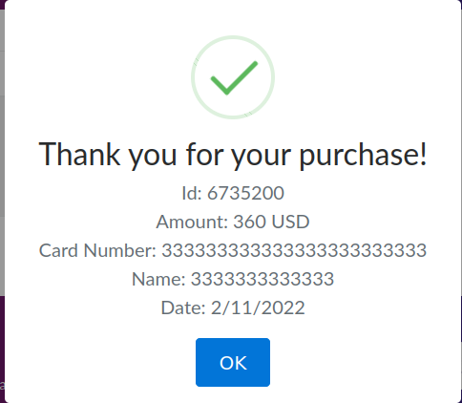 7
Status | To do
Component | Purchase form
Version/Build number (Found in)
Environment | Mozilla Firefox 107.0 , OS: Ubuntu 22.04.1 LTS
Comments
Date Created | 03.12.2022
Author | Yoana Hristova
Audit Log | History of the changes for this bug.

Bug ID | TPB001
Name | Missing error message after login with invalid credentials
Priority | P3
Severity | S3
Description
Steps to reproduce | 1. Go to www.ticketportal.bg 2. Find the login form on the homepage 3. Fill any invalid credentials (ex. email:blablabla ; password: blablabla)
Expected Result | An error message should appear saying "wrong username/password"
Actual Result | The website is refreshed and no message appears.
Assignee | dev
Attachment
Status | To do
Component | Login
Version/Build number (Found in) | Ticketportal Version 9.03
Environment | Mozilla Firefox 107.0 , OS: Ubuntu 22.04.1 LTS
Comments
Date Created | 03.12.2022
Author | Yoana Hristova
Audit Log | History of the changes for this bug.

Bug ID | TPB002
Name | Unable to add tickets in the cart
Priority | P1
Severity | S2
Description
Steps to reproduce | 1. Go to www.ticketportal.bg 2. Chose any event from the list on the homepage (ex. Софи Маринова 25г. на сцена) and open it 3. Click on the ticket button, chose any sector and then a seat (ex. sector Gate A4; A 303, seat 47) 4. Click on the "Резервирай,купи" button
Expected Result | The user should be redirected to the homepage or redirected to his/her cart containing the event ticket.
Actual Result | The user is redirected to the homepage and his/her shopping cart is still empty.
Assignee | dev
Attachment
Status | To do
Component | Shopping
Version/Build number (Found in) | Ticketportal Version 9.03
Environment | Mozilla Firefox 107.0 , OS: Ubuntu 22.04.1 LTS
Comments
Date Created | 03.12.2022
Author | Yoana Hristova
Audit Log | History of the changes for this bug.

Bug ID | SKILLOB001
Name | The user cannot see private posts of the user he/she is following
Priority | P2
Severity | S3
Description
Steps to reproduce | 1. Go to 161.35.202.130 2. Login in the system 3. Chose a user from the homepage and check if they have private photos (ex. the number of posts is 5, but only 1 is shown) 4. Click the follow button and go to their private posts section.
Expected Result | The user is able to see the following user's private posts
Actual Result | A message "No posts here" is shown and the user cannot see the other user's private posts.
Assignee | dev
Attachment
Status | To do
Component | Private posts
Version/Build number (Found in) | iSkillo Version: 2020.3.1.4200
Environment | Mozilla Firefox 107.0 , OS: Ubuntu 22.04.1 LTS
Comments
Date Created | 03.12.2022
Author | Yoana Hristova
Audit Log | History of the changes for this bug.

Bug ID | SKILLOB002
Name | Cannot open the user's profile page by clicking on their profile picture
Priority | P2
Severity | S3
Description
Steps to reproduce | 1. Go to 161.35.202.130 2. Login in the system 3. Chose a user from the homepage and click on their profile picture to open their profile page
Expected Result | The user is redirected to the user's profile page
Actual Result | The button is not working and nothing is happening
Assignee | dev
Attachment
Status | To do
Component | Homepage after login
Version/Build number (Found in) | iSkillo Version: 2020.3.1.4200
Environment | Mozilla Firefox 107.0 , OS: Ubuntu 22.04.1 LTS
Comments
Date Created | 03.12.2022
Author | Yoana Hristova
Audit Log | History of the changes for this bug.

Bug ID | SKILLOB003
Name | Validation for username length not working in registration form
Priority | P2
Severity | S2
Description
Steps to reproduce | 1. Go to 161.35.202.130 2. Click on "Login" button 3. Click on "Register" button 4. Type any 2 or 3 characters in the username field (ex. "aa", "111", etc)
Expected Result | A message "Username must be minimum length 4 and max 20 symbols" should appear
Actual Result | Validation is not working and it accepts the invalid username
Assignee | dev
Attachment | 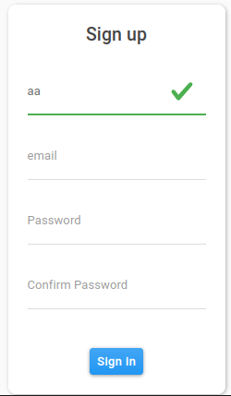
Status | To do
Component | Registration
Version/Build number (Found in) | iSkillo Version: 2020.3.1.4200
Environment | Mozilla Firefox 107.0 , OS: Ubuntu 22.04.1 LTS
Comments
Date Created | 03.12.2022
Author | Yoana Hristova
Audit Log | History of the changes for this bug.

